Info
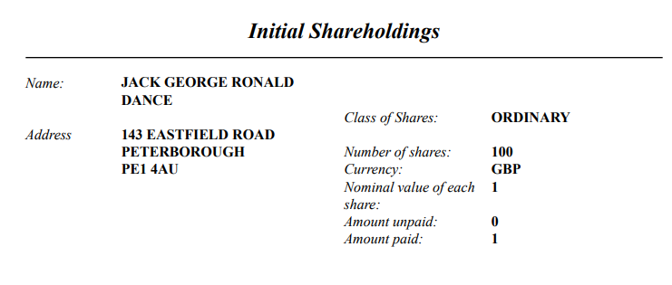
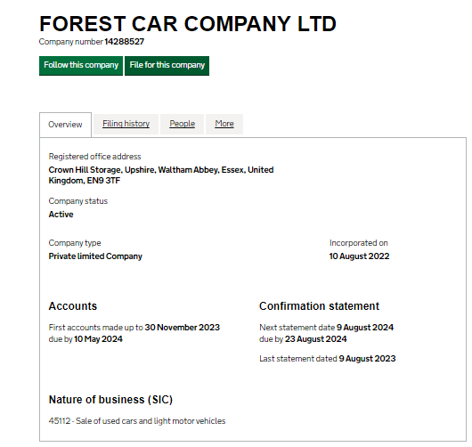
Client : | Forest Car Company Ltd
Year-end : |  | PYE :
From : | 2022-08-10 | NA
To : | 2023-11-30 | NA

Prepared By : | Aratee
Date : | 2024-02-21

Reviewed By : | Mitesh
Date : | 2024-03-01

Nature of business : | Sale of used cars and light motor vehicles

E - Share capital
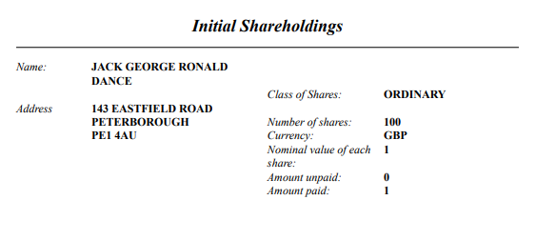
Client : | Forest Car Company Ltd |  | Prepared by : | Aratee | Date : | 2024-02-21
Year end : | 2023-11-30 |  | Reviewed by : | Mitesh | Date : | 2024-03-01

Lead Schedule - Share capital

Particulars | Class |  | Shareholder | Ratio | 2023-11-30 | NA | Dividends

Allotted, issued and fully paid:

Number | Class | Nom Value

100 | Ordinary A | £1 | MR JACK GEORGE RONALD | 100% | 100 |  | -

100.00 |  |  |  | Total : | 100 | - | -

 |  |  |  |  |  |  | -

